Home page
Module Code | Home page
Check Requirement
Tester | Ho Anh Vu, Le Thien An
Status | Pass | Fail |  | Not Run | N/A |  | Number of test case
Round test 1 | 5 | 0 |  | 0 | 0 |  | 5
Round test 2 | 5 | 0 |  | 0 | 0 |  | 5

Test Case ID | Test case Description | Pre-condition | Step | Excepted Output | Actual Output | Result |  |  | Result |  |  | Note
 |  |  |  |  |  | Round test 1 |  |  | Round test 2
 |  |  |  |  |  | Status | Test Date | Tester | Status | Test Date | Tester

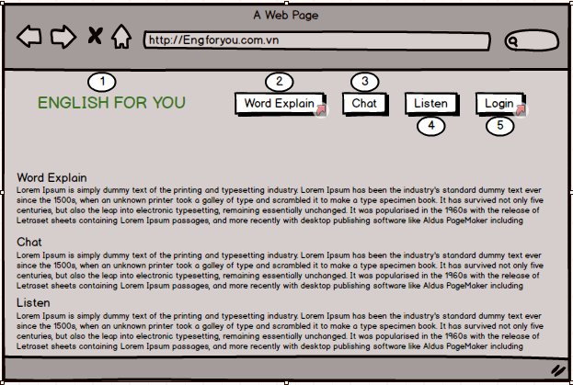
TC_01 | [Home]text |  |  |  |  | Pass | 19-Oct-2018 |  | Pass | 20-Oct-18

TC_02 | [Word Explain]Link |  |  |  |  | Pass | 19-Oct-2018 |  | Pass | 20-Oct-18

TC_03 | [Chat]Link |  |  |  |  | Pass | 19-Oct-2018 |  | Pass | 20-Oct-18

TC_04 | [Listen]Link |  |  |  |  | Pass | 19-Oct-2018 |  | Pass | 20-Oct-18

TC_05 | [Login]Link |  |  |  |  | Pass | 19-Oct-2018 |  | Pass | 20-Oct-18

Functional Testing

Login
Module Code | Login
Check Requirement
Tester | Ho Anh Vu, Le Thien An
Status | Pass | Fail |  | Not Run | N/A |  | Number of test case
Round test 1 | 23 | 0 |  | 0 | 0 |  | 23
Round test 2 | 23 | 0 |  | 0 | 0 |  | 23

Test Case ID | Test case Description | Pre-condition | Step | Excepted Output | Actual Output | Result |  |  | Result |  |  | Note
 |  |  |  |  |  | Round test 1 |  |  | Round test 2
 |  |  |  |  |  | Status | Test Date | Tester | Status | Test Date | Tester

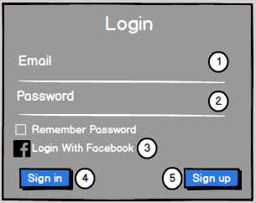
TC_01 | [Sign in with facebook]button |  |  | Alignment=left | Alignment=left | Pass | 05-Oct-2018 |  | Pass | 2017-10-05
 |  |  |  | Type=“button” | Type=“button”
TC_02 | [Email ] textbox |  |  | Alignment=center,under [Sign in with Facebook] button | Alignment=center,under [Sign in with Facebook] button | Pass | 05-Oct-2018 |  | Pass | 2017-10-05
 |  |  |  | Enabled | Enabled
TC_03 | [Password ] textbox |  |  | Alignment=center,under[Email]textbox | Alignment=center,under[Email]textbox | Pass | 05-Oct-2018 |  | Pass | 2017-10-05
 |  |  |  | Enabled | Enabled
TC_04 | [Remember password] checkbox |  |  | Alignment=center,under[Password]textbox | Alignment=center,under[Password]textbox | Pass | 05-Oct-2018 |  | Pass | 2017-10-05
 |  |  |  | Type="checkbox" | Type="checkbox"
TC_05 | [Login] button |  |  | Alignment=center,under [Keep me logged in] checkbox | Alignment=center,under [Keep me logged in] checkbox | Pass | 05-Oct-2018 |  | Pass | 2017-10-05
 |  |  |  | type=“button” | type=“button”
TC_06 | [Sign up] button |  |  | Alignment=right,under [Login]button | Alignment=right,under [Login]button | Pass | 05-Oct-2018 |  | Pass | 2017-10-05
 |  |  |  | type=“hyperlink” | type=“hyperlink”
Functional Testing
TC_01 | Login with facebook | Connect to internet and access E4U website | Click on [ Login with facebook ] button | Display login page of facebook | Display login page of facebook | Pass | 05-Oct-2018 |  | Pass | 2017-10-05
TC_02 | Sigin in with facebook unreal | Connect to internet and access E4U website | Click on [ Sign in with facebook ] button | It will automatically return to the login page of Facebook | It will automatically return to the login page of Facebook | Pass |  |  | Pass | 2017-10-05
TC_03 | Checked successful login when the account has been registered | Connect to internet and access E4U website | 1.Enter the correct email [abc123@gmail.com] 2. Enter the correct password [fantastic123] 3. Press the login button | Display homepage FSR | Display homepage FSR | Pass | 05-Oct-2018 |  | Pass | 2017-10-05
TC_04 | Check the notification when not entered information | Connect to internet and access E4U website | 1. Not enter email 2. Not enter a password 3. Press the login button | "Enter your email" | "Enter your email" | Pass |  |  | Pass | 2017-10-05
TC_05 | Check the notification when not entered information | Connect to internet and access E4U website | 1.Enter the correct email [abc123@gmail.com] 2. Not enter a password 3. Press the login button | "Enter your password" | "Enter your password" | Pass | 05-Oct-2018 |  | Pass | 2017-10-05
TC_06 | Check the notification when not entered information | Connect to internet and access E4U website | 1. Not enter email 2. Enter the correct password [fantastic123] 3. Press the login button | "Enter your email" | "Enter your email" | Pass |  |  | Pass | 2017-10-05
TC_07 | Type the correct login form, but the account does not exist. | Connect to internet and access E4U website | 1.Enter the correct email [thuychau1263@gmail.com] 2. Enter the correct password [Thuychau@123] 3. Press the login button | "We cannot find an account with that email address" | "We cannot find an account with that email address" | Pass | 05-Oct-2018 |  | Pass | 2017-10-05
TC_08 | Log in with the old password after changing the new password. | Connect to internet and access E4U website | 1.Enter the correct email [abc123@gmail.com] 2. Enter the old password [fantastic123] 3. Press the login button | "Your password is incorrect!" | "Your password is incorrect!" | Pass |  |  | Pass | 2017-10-05
TC_09 | Login with a new password after changing your password | Connect to internet and access E4U website | 1.Enter the correct email [abc123@gmail.com] 2. Enter the new password [hahahihi@123] 3. Press the login button | Display homepage FSR. | Display homepage FSR. | Pass | 05-Oct-2018 |  | Pass | 2017-10-05
TC_10 | Check the checkbox "Remember password" | Connect to internet and access E4U website | 1.Enter the correct email and password 2. Select the checkbox 3.Click login 4. Turn off the entire website window 5. Enter the correct address to reopen the site | Display homepage FSR. | Display homepage FSR. | Pass |  |  | Pass | 2017-10-05
TC_11 | Check unsuccessfully when Diners enter missing '@' in [Email] textbox and enter vaild [Password] textbox. | Connect to internet and access E4U website | 1.Enter the incorrect email [abc123] 2. Enter the correct password [fantastic123] 3. Press the login button | "Please include @ in the email address "thaosuong1599" is missing @" | "Please include @ in the email address "thaosuong1599" is missing @" | Pass | 05-Oct-2018 |  | Pass | 2017-10-05
TC_12 | Missing field after "@" in email | Connect to internet and access E4U website | 1.Enter the incorrect email [abc123@gmail.com] 2. Enter the correct password [fantastic123] 3. Press the login button | "Please enter the following after @. "thaosuong1599" is not complete" | "Please enter the following after @. "thaosuong1599" is not complete" | Pass |  |  | Pass | 2017-10-05
TC_13 | Wrong email | Connect to internet and access E4U website | 1.Enter the incorrect email [sadcf@gg] 2. Enter the correct password [fantastic123] 3. Press the login button | "Email address is not valid" | "Email address is not valid" | Pass | 05-Oct-2018 |  | Pass | 2017-10-05
TC_14 | Wrong email | Connect to internet and access E4U website | 1.Enter the incorrect email [thaosuong1599@gmail.vn] 2. Enter the correct password [fantastic123] 3. Press the login button | "We cannot find an account with that email address" | "We cannot find an account with that email address" | Pass |  |  | Pass | 2017-10-05
TC_15 | Wrong email | Connect to internet and access E4U website | 1.Enter the incorrect email [abc~123@gmail.vn] 2. Enter the correct password [fantastic123] 3. Press the login button | "We cannot find an account with that email address" | "We cannot find an account with that email address" | Pass | 05-Oct-2018 |  | Pass | 2017-10-05
TC_16 | Check unsuccessfully when Diners enter more than sixteen characters in [Password] textbox. | Connect to internet and access E4U website | 1. Enter data at [Email or phone] textbox: "bcd234@gmail.com" 2. Enter data in [Password] textbox: “1234565545sdf3534sdfd” 3. Click on [Login] button | "Your password is incorrect!" | "Your password is incorrect!" | Pass |  |  | Pass | 2017-10-05
TC_17 | Check unsuccessfully when Diners enter space in [Password] textbox. | Connect to internet and access E4U website | 1. Enter data at [Email or Phone] textbox: "hoanhvu@gmail.com" 2. Enter data in [Password] textbox: “ ” 3. Click on [Login] button | "Enter your password" | "Enter your password" | Pass | 05-Oct-2018 |  | Pass | 2017-10-05

Register Account
Module Code | Register Account
Check Requirement
Tester | Tran Quoc Thang
Status | Pass | Fail |  | Not Run | N/A |  | Number of test case
Round test 1 | 28 | 2 |  | 0 | 0 |  | 30
Round test 2 | 28 | 2 |  | 0 | 0 |  | 30

Test Case ID | Test case Description | Pre-condition | Step | Excepted Output | Actual Output | Result |  |  | Result |  |  | Note
 |  |  |  |  |  | Round test 1 |  |  | Round test 2
 |  |  |  |  |  | Status | Test Date | Tester | Status | Test Date | Tester

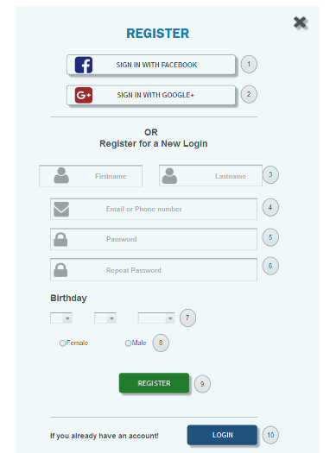
TC_01 | [Sign in with facebook] button |  |  | Alignment=middle | Alignment=middle | Pass | 03-Oct-2017 | Tran Quoc Thang | Pass | 2017-10-05 | Tran Quoc Thang
 |  |  |  | type=“button” | type=“button”
TC_02 | [Sign in with Google+] button |  |  | Alignment=middle,under [Sign in with facebook]button | Alignment=middle,under [Sign in with facebook]button | Pass | 03-Oct-2017 | Tran Quoc Thang | Pass | 2017-10-05 | Tran Quoc Thang
 |  |  |  | type=“button” | type=“button”
TC_03 | [Firstname] textbox |  |  | Alignment=middle,under [Sigin in with google] textbox | Alignment=middle,under [Sigin in with google] textbox | Pass | 03-Oct-2017 | Tran Quoc Thang | Pass | 2017-10-05 | Tran Quoc Thang
 |  |  |  | Enabled | Enabled
TC_04 | [Lastname] textbox |  |  | Alignment=middle,under [Firstname] textbox | Alignment=middle,under [Firstname] textbox | Pass | 03-Oct-2017 | Tran Quoc Thang | Pass | 2017-10-05 | Tran Quoc Thang
 |  |  |  | Enabled | Enabled
TC_05 | [Email ] textbox |  |  | Alignment=middle,under[Lastname] textbox | Alignment=middle,under[Lastname] textbox | Pass | 03-Oct-2017 | Tran Quoc Thang | Pass | 2017-10-05 | Tran Quoc Thang
 |  |  |  | Enabled | Enabled
TC_06 | [PhoneNumber] textbox |  |  | Alignment=middle,under[Email] textbox | Alignment=middle,under[Email] textbox | Pass | 03-Oct-2017 | Tran Quoc Thang | Pass | 2017-10-05 | Tran Quoc Thang
 |  |  |  | Enabled | Enabled
TC_07 | [Password] textbox |  |  | Alignment=midle,under [PhoneNumber] textbox | Alignment=midle,under [PhoneNumber] textbox | Pass | 03-Oct-2017 | Tran Quoc Thang | Pass | 2017-10-05 | Tran Quoc Thang
 |  |  |  | Enabled | Enabled
TC_08 | [Confirm Password] textbox |  |  | Alignment=midle,under [Password] textbox | Alignment=midle,under [Password] textbox | Pass | 03-Oct-2017 | Tran Quoc Thang | Pass | 2017-10-05 | Tran Quoc Thang
 |  |  |  | Enabled | Enabled
TC_09 | [Birthday] DatePicker |  |  | Alignment=midle,under [Confirm Password] textbox | Alignment=midle,under [Confirm Password] textbox | Pass | 03-Oct-2017 | Tran Quoc Thang | Pass | 2017-10-05 | Tran Quoc Thang
 |  |  |  | type="DataPicker" | type="DataPicker"
TC_10 | [Gender] Checkbox |  |  | Alignment=left and right,under [Birthday] DatePicker | Alignment=left and right,under [Birthday] DatePicker | Pass | 03-Oct-2017 | Tran Quoc Thang | Pass | 2017-10-05 | Tran Quoc Thang
 |  |  |  | type=“Checkbox” | type=“Checkbox”
TC_11 | [Register] button |  |  | Alignment=middle,under [Gender] Checkbox | Alignment=middle,under [Gender] Checkbox | Pass | 03-Oct-2017 | Tran Quoc Thang | Pass | 2017-10-05 | Tran Quoc Thang
 |  |  |  | type=“button” | type=“button”
TC_12 | [Login] textbox |  |  | Alignment=right,under [Register] button | Alignment=right,under [Register] button | Pass | 03-Oct-2017 | Tran Quoc Thang | Pass | 2017-10-05 | Tran Quoc Thang
 |  |  |  | type=“button” | type=“button”
Functional Testing
TC_01 | Sign in with facebook | Connect to internet and access FSR website | Click on [ Sign in with facebook ] button | 1. It is now possible to assign access by facebook account to the FSR site 2. Continue to visit 3.Display homepage FSR | 1. It is now possible to assign access by facebook account to the FSR site 2. Continue to visit 3.Display homepage FSR | Pass | 03-Oct-2017 | Tran Quoc Thang | Pass | 2017-10-05 | Tran Quoc Thang
TC_02 | Sign in with facebook not exists account | Connect to internet and access FSR website | Click on [ Sign in with facebook ] button | Display page login of facebook | Display page login of facebook | Pass | 03-Oct-2017 | Tran Quoc Thang | Pass | 2017-10-05 | Tran Quoc Thang
TC_03 | Sign in with Google+ | Connect to internet and access FSR website | Click on [ Sign in with google ] button | 1. It is now possible to assign access by facebook account to the FSR site 2. Choose account google or enter account google 3.Display homepage FSR | 1. It is now possible to assign access by facebook account to the FSR site 2. Choose account google or enter account google 3.Display homepage FSR | Pass | 03-Oct-2017 | Tran Quoc Thang | Pass | 2017-10-05 | Tran Quoc Thang
TC_04 | Checked successfully when diners entered completely according to the registered form | Connect to internet and access FSR website | 1. Enter data in [Firstname] textbox is exist in the database: 'vu' 2.Enter data in[Lastname] textbox is exist in the database:'ho' 3. Enter data in [Email-PhoneNumber] textbox is exist in the database: “hoanhvu@gmail.com” 4. Enter data in [Password] textbox is exist in the database “123456Qw” 5.Enter data in [Repeat Password]text box is exist in the database:'123456Qw' 6.Choose [birthday] combobox is exist in the database:'12/04/1996' 7.Click [Fermale or Male] checkbox is exist in the database:'Fermale' 8. Click on [Register] button. | Display homepage FSR | Display homepage FSR | Pass | 03-Oct-2017 | Tran Quoc Thang | Pass | 2017-10-05 | Tran Quoc Thang
TC_05 | Check unsuccessfully when Diners does not enter in all of the fields. | Connect to internet and access FSR website | 1. Do not enter data in all of the fields. 2. Click on [Register] button. | Display a message: “Field 'First Name' is required". | Display a message: “Field 'First Name' is required". | Pass | 03-Oct-2017 | Tran Quoc Thang | Pass | 2017-10-05 | Tran Quoc Thang
TC_06 | Check unsuccessfully when Diners enter empty data in [Firstname] textbox. | Connect to internet and access FSR website | 1. Enter data in [Firstname] textbox is exist in the database: '' 2.Enter data in[Lastname] textbox is exist in the database:'ho' 3. Enter data in [Email-PhoneNumber] textbox is exist in the database: “hoanhvu@gmail.com” 4. Enter data in [Password] textbox is exist in the database “123456” 5.Enter data in [Repeat Password]text box is exist in the database:'123456' 6.Choose [birthday] combobox is exist in the database:'12/04/1996' 7.Click [Fermale or Male] checkbox is exist in the database:'Fermale' 8. Click on [Register] button. | Display a message: “Field 'Firstname' is required". | Display a message: “Field 'Firstname' is required". | Pass | 03-Oct-2017 | Tran Quoc Thang | Pass | 2017-10-05 | Tran Quoc Thang
TC_07 | Check unsuccessfully when Diners enter empty data in [Lastname] textbox. | Connect to internet and access FSR website | 1. Enter data in [Firstname] textbox is exist in the database: 'vu' 2.Enter data in[Lastname] textbox is exist in the database:'' 3. Enter data in [Email-PhoneNumber] textbox is exist in the database: “hoanhvu@gmail.com” 4. Enter data in [Password] textbox is exist in the database “123456” 5.Enter data in [Repeat Password]text box is exist in the database:'123456' 6.Choose [birthday] combobox is exist in the database:'12/04/1996' 7.Click [Fermale or Male] checkbox is exist in the database:'Fermale' 8. Click on [Register] button. | Display a message: “Field Lastename is required". | Display a message: “Field Lastename is required". | Pass | 03-Oct-2017 | Tran Quoc Thang | Pass | 2017-10-05 | Tran Quoc Thang
TC_08 | Check unsuccessfully when Diners enter empty data in [Email or Phonenumber] textbox. | Connect to internet and access FSR website | 1. Enter data in [Firstname] textbox is exist in the database: 'vu' 2.Enter data in[Lastname] textbox is exist in the database:'ho' 3. Enter data in [Email-PhoneNumber] textbox is exist in the database: “hoanhvu” 4. Enter data in [Password] textbox is exist in the database “123456” 5.Enter data in [Repeat Password]text box is exist in the database:'123456' 6.Choose [birthday] combobox is exist in the database:'12/04/1996' 7.Click [Fermale or Male] checkbox is exist in the database:'Fermale' 8. Click on [Register] button. | Display a message: “Field 'Email' is required or Field 'Phone Number' is required". | Display a message: “Field 'Email' is required or Field 'Phone Number' is required". | Pass | 03-Oct-2017 | Tran Quoc Thang | Pass |  | Tran Quoc Thang
TC_09 | Check unsuccessfully when Diners enter empty data in [Password] textbox. | Connect to internet and access FSR website | 1. Enter data in [Firstname] textbox is exist in the database: 'vu' 2.Enter data in[Lastname] textbox is exist in the database:'ho' 3. Enter data in [Email-PhoneNumber] textbox is exist in the database: “hoanhvu” 4. Enter data in [Password] textbox is exist in the database “” 5.Enter data in [Repeat Password]text box is exist in the database:'123456' 6.Choose [birthday] combobox is exist in the database:'12/04/1996' 7.Click [Fermale or Male] checkbox is exist in the database:'Fermale' 8. Click on [Register] button. | Display a message: “Field 'Password' is required". | Display a message: “Field 'Password' is required". | Pass | 03-Oct-2017 | Tran Quoc Thang | Pass | 2017-10-05 | Tran Quoc Thang
TC_10 | Check unsuccessfully when Dinners no date of birth data in [Birthday] combobox | Connect to internet and access FSR website | 1. Enter data in [Firstname] textbox is exist in the database: 'vu' 2.Enter data in[Lastname] textbox is exist in the database:'ho' 3. Enter data in [Email-PhoneNumber] textbox is exist in the database: “hoanhvu” 4. Enter data in [Password] textbox is exist in the database “” 5.Enter data in [Repeat Password]text box is exist in the database:'' 6.Choose [birthday] combobox is exist in the database:'' 7.Click [Fermale or Male] checkbox is exist in the database:'Fermale' 8. Click on [Register] button. | Display a message: “Field 'Birthday' is required". | Display a message: “Field 'Birthday' is required". | Pass | 03-Oct-2017 | Tran Quoc Thang | Pass | 2017-10-05 | Tran Quoc Thang
TC_11 | Email validation — Check the Email text field that has Email address without @ symbol. — Check the Email text field that has random string instead of real email. — Check the Email text field that has @ symbol written in words. — Check the Email text field that has missing dot in the email address. | Connect to internet and access FSR website | 1. Enter Invalid Emails ( 1. testAtgmail.com 2. test@gmailcom 3. test@gmail 4. @gmail ) 2. Click on Register Button | Display a message:" 1.testAtgmail.com is missing an: @ 2.test@gmailcom is missing an: Email address is not valid 3.test@gmail is missing an: Email address is not valid 4.@gmail is missing an is incomplete " | Display a message:" 1.testAtgmail.com is missing an: @ 2.test@gmailcom is missing an: Email address is not valid 3.test@gmail is missing an: Email address is not valid 4.@gmail is missing an is incomplete " | Pass | 03-Oct-2017 | Tran Quoc Thang | Pass | 2017-10-05 | Tran Quoc Thang
TC_12 | Check all the valid emails | Connect to internet and access FSR website | 1. Enter Valid Emails test@192.168.1.1.0 2. Click on Register Button | Display a message:" Email is not valid" | Not Display a message:" Email is not valid" | Fail | 03-Oct-2017 | Tran Quoc Thang | Fail | 2017-10-05 | Tran Quoc Thang
TC_13 | Check the phone number when pass alphanumeric data | Connect to internet and access FSR website | 1. Enter alphanumeric data in phone (fielddada5$7567#7 ) 2. Click on Regster button | Display a message:"Phone number is not valid" | Display a message:"Phone number is not valid" | Pass | 03-Oct-2017 | Tran Quoc Thang | Pass | 2017-10-05 | Tran Quoc Thang
TC_14 | Check the phone number when pass country code | Connect to internet and access FSR website | 1. Enter valid phone number with country code (+9190112244) 2. Click on Register button | Display a message:"Phone number is not valid" | Display a message:"Phone number is not valid" | Pass | 03-Oct-2017 | Tran Quoc Thang | Pass | 2017-10-05 | Tran Quoc Thang
TC_15 | Check the password limit when enter value less than min | Connect to internet and access FSR website | 1. Enter value which is alphanumeric but less than 8 (Password) 2. Click on Register button | Display a message:"Password must be at least 8 characters, no more than 16 characters, and must include at least one upper case letter, one lower case letter, and one numeric digit." | Display a message:"Password must be at least 8 characters, no more than 16 characters, and must include at least one upper case letter, one lower case letter, and one numeric digit." | Pass | 03-Oct-2017 | Tran Quoc Thang | Pass | 2017-10-05 | Tran Quoc Thang
TC_16 | Check the password limit when enter value greater than max | Connect to internet and access FSR website | 1. Enter value which is alphanumeric but less more than 32 (redhatisgood434adasdasdasd3243dsadadsad432423) 2. Click on Register button | Display a message:"Password must be at least 8 characters, no more than 16 characters, and must include at least one upper case letter, one lower case letter, and one numeric digit." | Display a message:"Password must be at least 8 characters, no more than 16 characters, and must include at least one upper case letter, one lower case letter, and one numeric digit." | Pass | 03-Oct-2017 | Tran Quoc Thang | Pass | 2017-10-05 | Tran Quoc Thang
TC_17 | Check the phone number when not pass country code | Connect to internet and access FSR website | 1. Enter valid phone number without country code ( 9012078654) 2. Click on Register button | Display:"Error PhoneNumber" | Not Display:"Error PhoneNumber" | Fail | 03-Oct-2017 | Tran Quoc Thang | Fail | 2017-10-05 | Tran Quoc Thang
TC_18 | Check Birthday is correct | Connect to internet and access FSR website | 1. Enter invalid Birthday (12/03/9999) 2. Click on Register button | Display:"Please make sure that you use your real date of birth. The user must be 16 years or older." | Display:"Please make sure that you use your real date of birth. The user must be 16 years or older." | Pass | 03-Oct-2017 | Tran Quoc Thang | Pass | 2017-10-05 | Tran Quoc Thang

Waiting page
Module Code | Home page
Check Requirement
Tester | Ho Anh Vu, Le Thien An
Status | Pass | Fail |  | Not Run | N/A |  | Number of test case
Round test 1 | 2 | 0 |  | 0 | 0 |  | 2
Round test 2 | 2 | 0 |  | 0 | 0 |  | 2

Test Case ID | Test case Description | Pre-condition | Step | Excepted Output | Actual Output | Result |  |  | Result |  |  | Note
 |  |  |  |  |  | Round test 1 |  |  | Round test 2
 |  |  |  |  |  | Status | Test Date | Tester | Status | Test Date | Tester

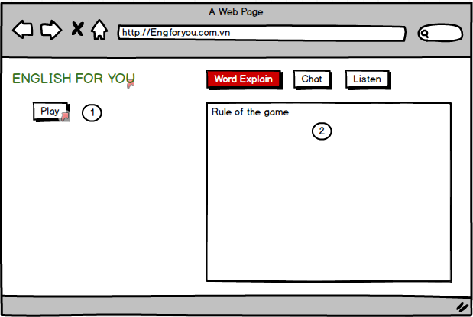
TC_01 | [Play]Button | Connect to internet and access E4U website |  |  |  | Pass |  |  | Pass
TC_02 | [Rule of the game]Text | Connect to internet and access E4U website |  |  |  | Pass |  |  | Pass
Functional Testing

Chat form (explainer)
Module Code | Logout
Check Requirement
Tester | Tran Thi Thao Suong, Tran Quoc Thang
Status | Pass | Fail |  | Not Run | N/A |  | Number of test case
Round test 1 | 2 | 0 |  | 0 | 0 |  | 2
Round test 2 | 2 | 0 |  | 0 | 0 |  | 2

Test Case ID | Test case Description | Pre-condition | Step | Excepted Output | Actual Output | Result |  |  | Result |  |  | Note
 |  |  |  |  |  | Round test 1 |  |  | Round test 2
 |  |  |  |  |  | Status | Test Date | Tester | Status | Test Date | Tester

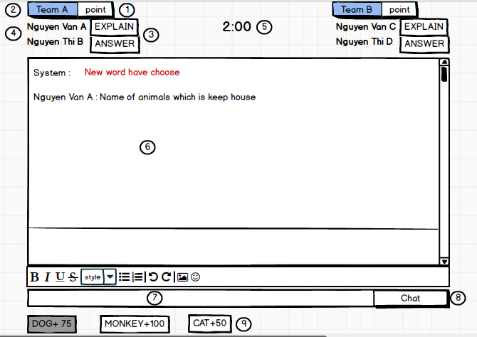
TC_01 | [Point]Label |  |  | Alignment=left,top [Point] Label | Alignment=left,top [Point] Label | Pass |  |  | Pass
 |  |  |  | type="label" | type="label"
TC_02 | [Name of team]Label |  |  | Alignment=left,top [Point] Label | Alignment=left,top [Point] Label
 |  |  |  | type="label" | type="label"
TC_03 | [Turn of Explainer or Answer]Label |  |  | Alignment=left,top [Point] Label | Alignment=left,top [Point] Label
 |  |  |  | type="label" | type="label"
TC_04 | [Name of player]Label |  |  | Alignment=left,top [Point] Label | Alignment=left,top [Point] Label
 |  |  |  | type="label" | type="label"
TC_05 | [Play time]Time |  |  | Alignment=left,top [Point] Label | Alignment=left,top [Point] Label
 |  |  |  | type="label" | type="label"
TC_06 | [Explainations and Answers of the player chat]Text |  |  | Alignment=left,top [Point] Label | Alignment=left,top [Point] Label
 |  |  |  | type="label" | type="label"
TC_07 | [Chat box]Textboxt |  |  | Alignment=left,top [Point] Label | Alignment=left,top [Point] Label
 |  |  |  | type="label" | type="label"
TC_08 | [Chat]Button |  |  | Alignment=left,top [Point] Label | Alignment=left,top [Point] Label
 |  |  |  | type="label" | type="label"
TC_09 | [Keyword]Button |  |  | Alignment=left,top [Point] Label | Alignment=left,top [Point] Label
 |  |  |  | type="label" | type="label"
Functional Testing
TC_01 | Enter less than 100 characters | Connect to internet and access E4U website | 1. Enter explanation less than 100 characters. 2. Click [Chat] | Display explanation on the chat form. |  | Pass |  |  | Pass
TC_02 | Enter exactly 100 characters | Connect to internet and access E4U website | 1. Enter explanation exactly 100 characters. 2. Click [Chat] | Display explanation on the chat form.
TC_03 | Enter more than 100 characters | Connect to internet and access E4U website | 1. Enter explanation more than 100 characters. 2. Click [Chat] | Display messsage board: "You can only enter up to 100 characters!"
TC_04 | Explanatory sentences containing keywords | Connect to internet and access E4U website | 1. Enter explanation containing keywords. 2. Click [Chat] | Display explanation with keyword is coded
TC_05 | Enter when not turn | Connect to internet and access E4U website | 1. Enter explanation less than or exactly 100 characters. 2. Click [Chat] | Display messsage board: "Not your turn!"
TC_06 | The player is entering the time out | Connect to internet and access E4U website | 1. Enter explanation less than 100 characters. 2. Click [Chat] | Display messsage board: "Time up!"

